Design Calculations


Electric Feed System
Impeller Thermal Expansion Calculation Tool
P. Wahl (5/06/2019)
Iteration 1 |  |  | Portland State Aerospace Society

INSTRUCTIONS
Enter the desired dimension for the labeled distances in the figures to the right (column I). The change in length/diameter is calculated based on thermal expansion theory and experiementally derived ajustment factors (see "Measured vs. Theoretical" sheet). This is used to provide the final machined dimensions required.

INPUTS
Material |  | [-] | [-] | Aluminum
Ambient Temperature |  | Ta | [°C] | 20
Fluid Temperature |  | Tc | [°C] | -196
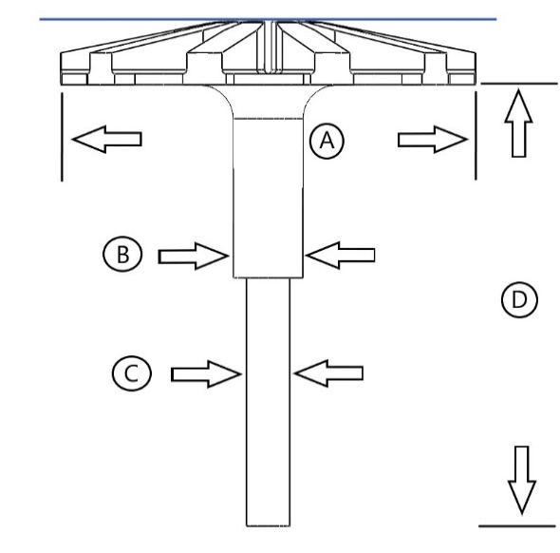
IMPELLER
COOLED | Outer Diameter | A | [in] | 2.443
 | Shaft Seal Diameter | B | [in] | 0.500
 | Shaft Coupler Diameter | C | [in] | 0.314
 | Shaft Length | D | [in] | 3.247
CHANGE | Outer Diameter | ΔA | [in] | -0.0137
 | Shaft Seal Diameter | ΔB | [in] | -0.0039
 | Shaft Coupler Diameter | ΔC | [in] | -0.0030
 | Shaft Length | ΔD | [in] | -0.0178
DESIGN | Outer Diameter | A | [in] | 2.4567
 | Shaft Seal Diameter | B | [in] | 0.5040
 | Shaft Coupler Diameter | C | [in] | 0.3170
 | Shaft Length | D | [in] | 3.2648
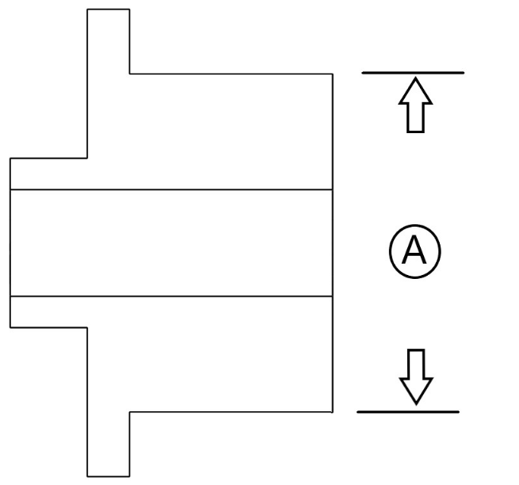
BEARING COLLAR
COOLED | Bearing Diameter | A | [in] | 0.995
CHANGE | Bearing Diameter | ΔA | [in] | -0.0064
DESIGN | Bearing Diameter | A | [in] | 1.0014
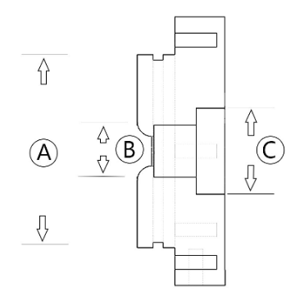
CASE 1
COOLED | Impeller Seat Diameter | A | [in] | 3.450
 | Impeller Shaft Bore Diameter | B | [in] | 0.931
 | Seal Retaining Ring Diameter | C | [in] | 1.537
CHANGE | Impeller Seat Diameter | ΔA | [in] | -0.0188
 | Impeller Shaft Bore Diameter | ΔB | [in] | -0.0061
 | Seal Retaining Ring Diameter | ΔC | [in] | -0.0092
DESIGN | Impeller Seat Diameter | A | [in] | 3.4690
 | Impeller Shaft Bore Diameter | B | [in] | 0.9369
 | Seal Retaining Ring Diameter | C | [in] | 1.5465
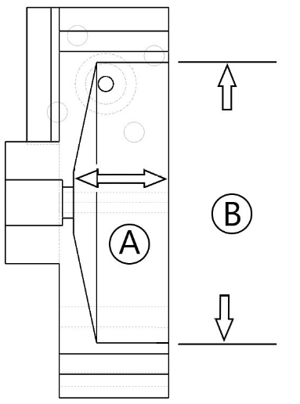
CASE 2
COOLED | Housing Internal Diameter | A | [in] | 3.450
 | Housing Depth | B | [in] | 1.167
CHANGE | Housing Internal Diameter | ΔA | [in] | -0.01883
 | Housing Depth | ΔB | [in] | -0.00730
DESIGN | Housing Internal Diameter | A | [in] | 3.4690
 | Housing Depth | B | [in] | 1.1743
SEAL RETAINING RING
COOLED | Seal Seat Diameter | A | [in] | 0.994
CHANGE | Seal Seat Diameter | ΔA | [in] | -0.0064 | 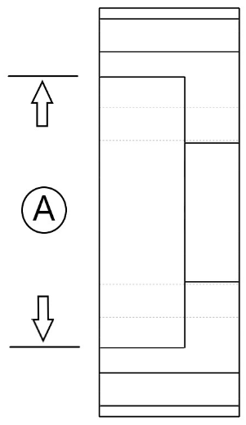
DESIGN | Seal Seat Diameter | A | [in] | 1.0007
BEARING PLATE
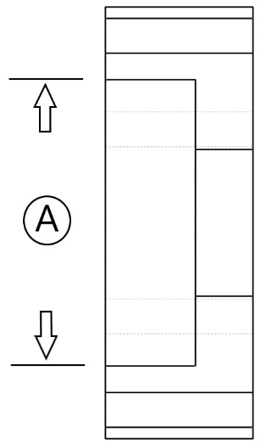
COOLED | Bearing Outer Diameter | A | [in] | 1.969
CHANGE | Bearing Outer Diameter | ΔA | [in] | -0.01135
DESIGN | Bearing Outer Diameter | A | [in] | 1.9807

Theory Calculations
Electric Feed System
Impeller Thermal Expansion Calculation Tool
P. Wahl (5/06/2019)
Iteration 1 |  |  | Portland State Aerospace Society

THEORY
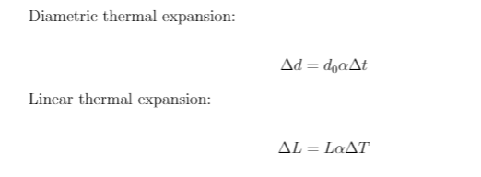

INPUTS
Material |  | [-] | [-] | Aluminum
Ambient Temperature |  | Ta | [°C] | 20
Fluid Temperature |  | Tc | [°C] | -196
IMPELLER
INITIAL | Outer Diameter | A | [in] | 2.982
 | Shaft Seal Diameter | B | [in] | 0.500
 | Shaft Coupler Diameter | C | [in] | 0.314
 | Shaft Length | D | [in] | 3.247
CHANGE | Outer Diameter | ΔA | [in] | -0.0149
 | Shaft Seal Diameter | ΔB | [in] | -0.0025
 | Shaft Coupler Diameter | ΔC | [in] | -0.0016
 | Shaft Length | ΔD | [in] | -0.0163
COOLED | Outer Diameter | A | [in] | 2.9669
 | Shaft Seal Diameter | B | [in] | 0.4976
 | Shaft Coupler Diameter | C | [in] | 0.3124
 | Shaft Length | D | [in] | 3.2307
BEARING COLLAR
INITIAL | Bearing Diameter | A | [in] | 0.995
CHANGE | Bearing Diameter | ΔA | [in] | -0.0050
COOLED | Bearing Diameter | A | [in] | 0.9900
CASE 1
INITIAL | Impeller Seat Diameter | A | [in] | 3.450
 | Impeller Shaft Bore Diameter | B | [in] | 0.931
 | Seal Retaining Ring Diameter | C | [in] | 1.537
CHANGE | Impeller Seat Diameter | ΔA | [in] | -0.0173
 | Impeller Shaft Bore Diameter | ΔB | [in] | -0.0047
 | Seal Retaining Ring Diameter | ΔC | [in] | -0.0077
COOLED | Impeller Seat Diameter | A | [in] | 3.4328
 | Impeller Shaft Bore Diameter | B | [in] | 0.9261
 | Seal Retaining Ring Diameter | C | [in] | 1.5296
CASE 2
INITIAL | Housing Internal Diameter | A | [in] | 3.450
 | Housing Depth | B | [in] | 1.167
CHANGE | Housing Internal Diameter | ΔA | [in] | -0.0173
 | Housing Depth | ΔB | [in] | -0.0058
COOLED | Housing Internal Diameter | A | [in] | 3.4328
 | Housing Depth | B | [in] | 1.1612
SEAL RETAINING RING
INITIAL | Seal Seat Diameter | A | [in] | 0.994
CHANGE | Seal Seat Diameter | ΔA | [in] | -0.0050
COOLED | Seal Seat Diameter | A | [in] | 0.9893
BEARING PLATE
INITIAL | Bearing Outer Diameter | A | [in] | 1.969
CHANGE | Bearing Outer Diameter | ΔA | [in] | -0.0099
COOLED | Bearing Outer Diameter | A | [in] | 1.9594

Curve Generation
Component |  | Measurement | Unit | Initial Length | Length @Cryogenic Temperatures
 |  |  |  |  | Theoretical | Measured |  | % Difference
 | Shaft Seal Diameter | B | [in] | 0.5001 | 0.4976 | 0.4984 |  | 0.1617
 | Shaft Length | D | [in] | 3.2470 | 3.2296 | 3.2400 |  | 0.3199
COLLAR | Bearing Diameter | A | [in] | 0.9950 | 0.9900 | 0.9920 |  | 0.1969
CASE 1 | Impeller Seat Diameter | A | [in] | 3.4500 | 3.4328 | 3.4400 |  | 0.2081
 | Impeller Shaft Bore Diameter | B | [in] | 0.9310 | 0.9261 | 0.9287 |  | 0.2761
CASE 2 | Housing Internal Diameter | A | [in] | 3.4500 | 3.4328 | 3.4408 |  | 0.2313
 | Housing Depth | B | [in] | 1.1670 | 1.1612 | 1.1590 |  | 0.1898
S.R. Ring | Seal Seat Diameter | A | [in] | 0.9940 | 0.9893 | 0.9919 |  | 0.2570
BRG. PLATE | Bearing Outer Diameter | A | [in] | 1.9690 | 1.9594 | 1.9632 |  | 0.1920
 |  |  |  |  |  |  | Average % Difference: | 0.2259

 |  |  |  |  |  |  |  |  | Theoretical | Measured
 |  |  |  |  |  |  |  |  | 0.4976 | 0.4984
 |  |  |  |  |  |  |  |  | 3.2296 | 3.2400
 |  |  |  |  |  |  |  |  | 0.9900 | 0.9920
 |  |  |  |  |  |  |  |  | 3.4328 | 3.4400
 |  |  |  |  |  |  |  |  | 0.9261 | 0.9287
 |  |  |  |  |  |  |  |  | 3.4328 | 3.4408
 |  |  |  |  |  |  |  |  | 1.1612 | 1.1590
 |  |  |  |  |  |  |  |  | 0.9893 | 0.9919
 |  |  |  |  |  |  |  |  | 1.9594 | 1.9632

